dSU 0700 003
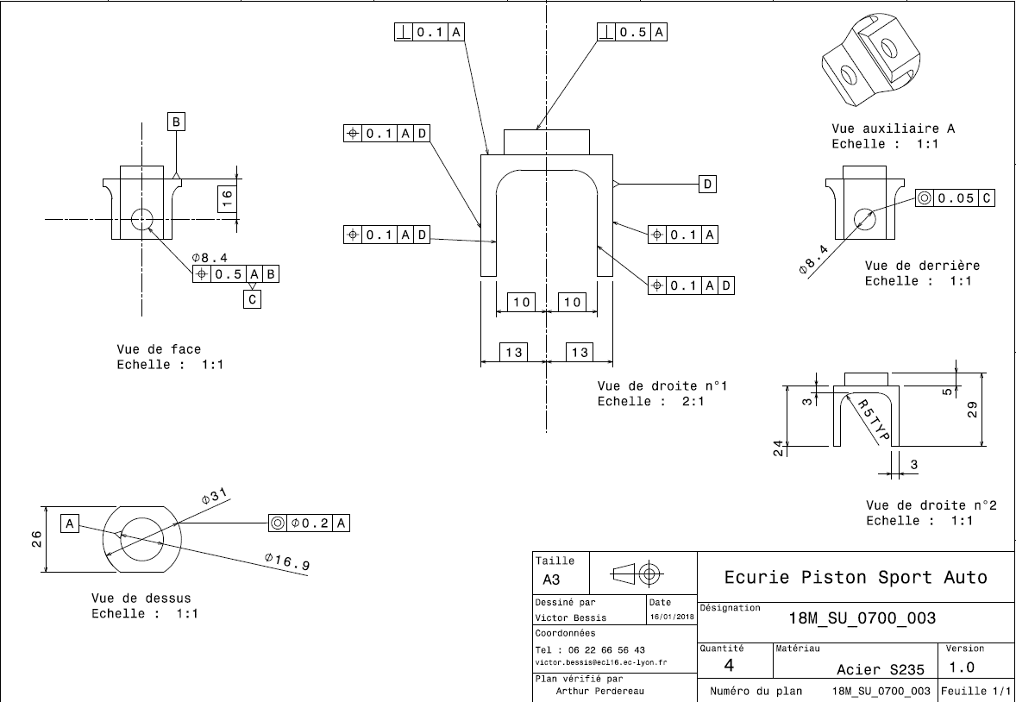
Drawing part : | SU_0700_003

